Sheet1
String Key and source text | Image | Notes
"invalid": "Phone number is invalid" | [No image available] | This will be the error message that will appear when the user inputs an invalid phone number.
"label": "Phone number" | 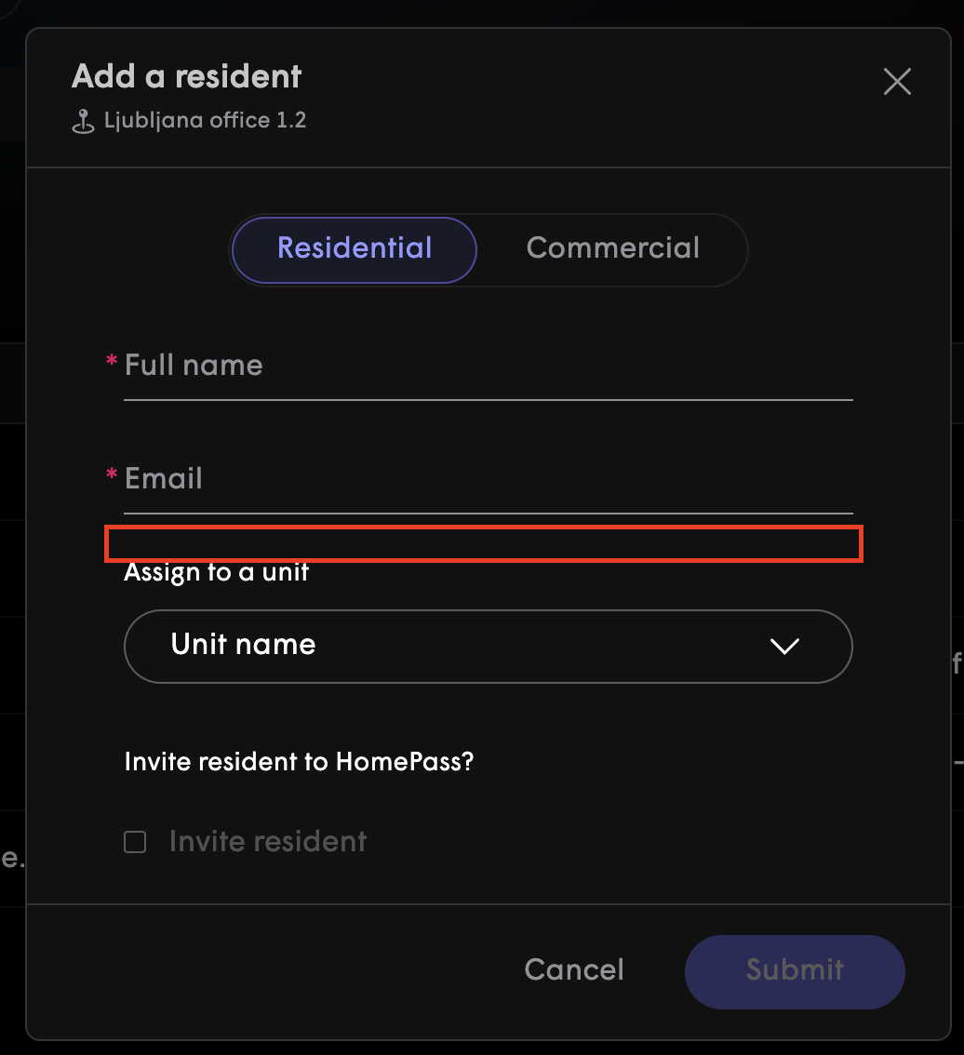 | Phone number will be below Email in the add a resident section.

